Sheet1
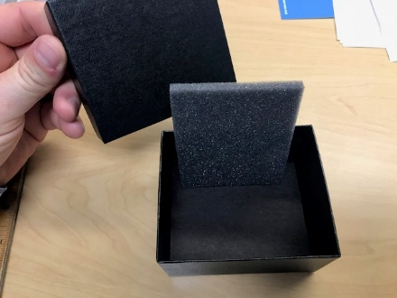
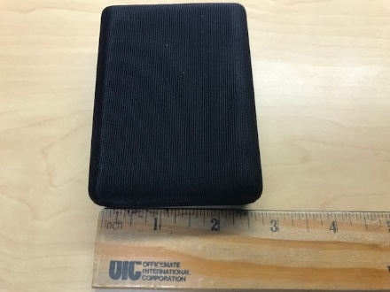
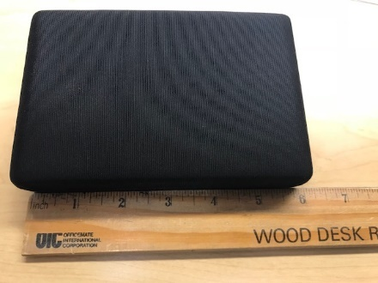
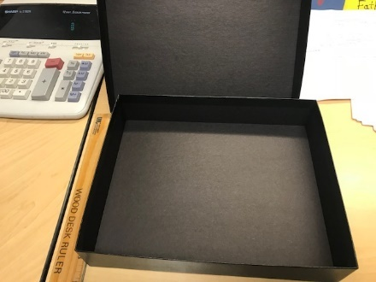
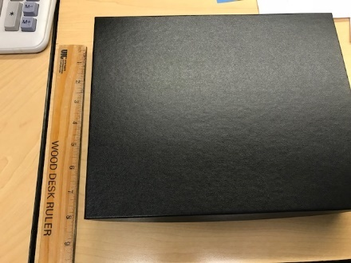
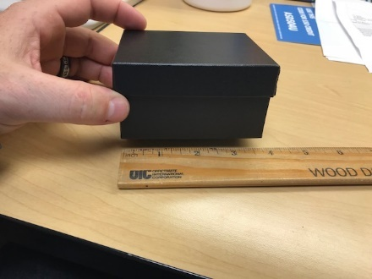
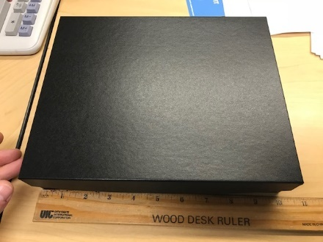
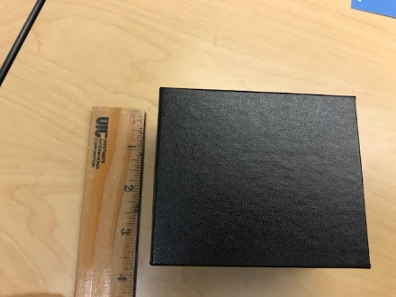
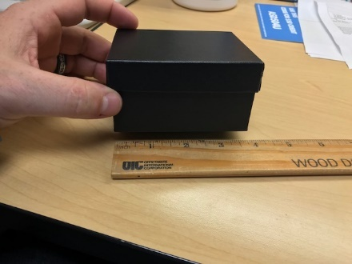
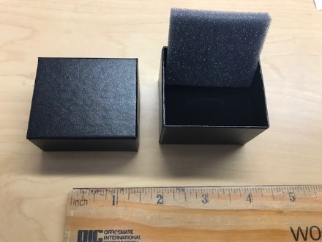
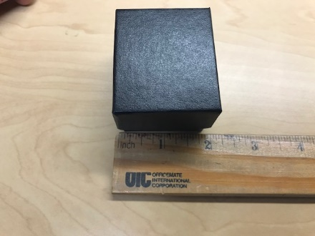
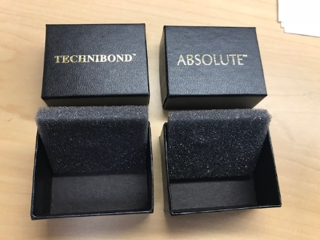
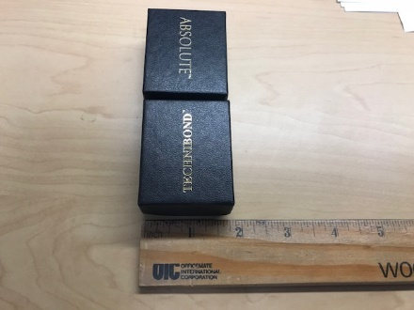
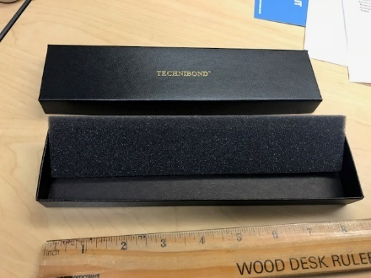
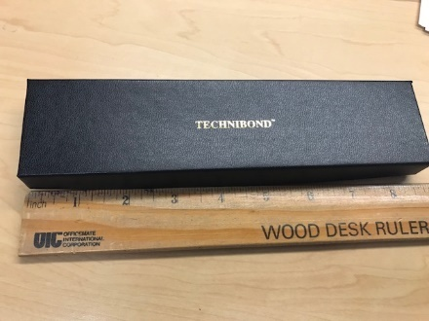
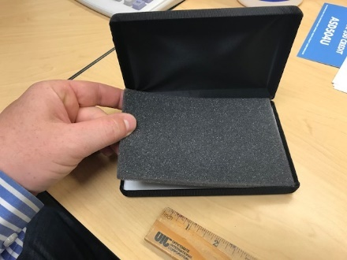
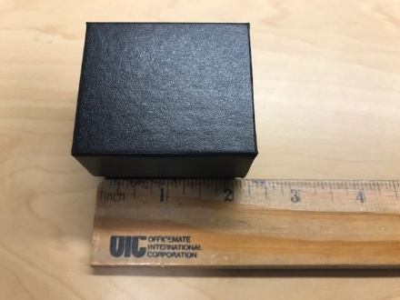
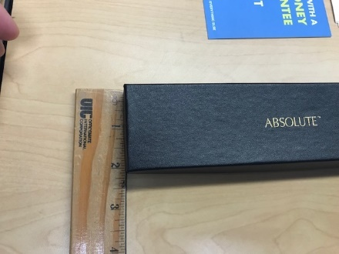
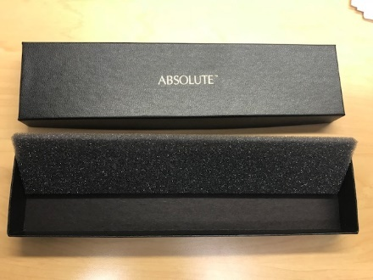
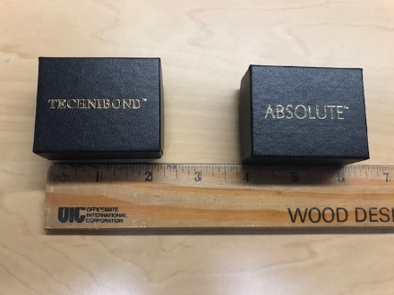
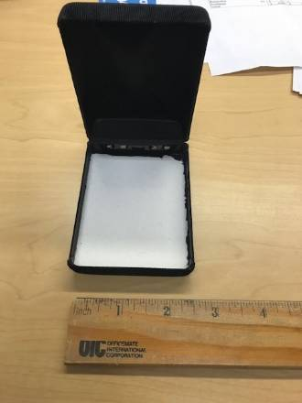
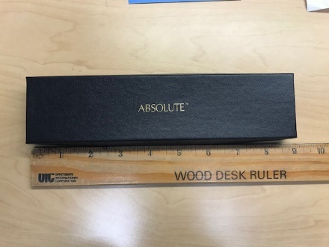
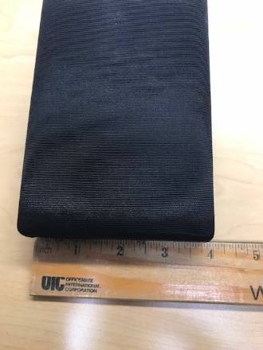
ITEM | SIZE | TYPE | QTY PER BOX | NUMBER BOXES | APX # UNITS | NUMBER PALLET
MB-5 |  | BLACK CASES | 120 | 9 | 1080 | 1
MB-6 |  | SPRING LOADED BOX W/ FOAM | 47 | 30 | 1410 | 1
PB-1 | 1-3/4 X 2-1/16 X 1-3/8 | RING BOX W/ FOAM | 250 | 76 | 19000 | 2
PB-19 | 6-1/4 X 6-1/4 X 2 | BLACK BOX NO FOAM | 68 | 8 | 544 | 1
PB-20 | 10 X 8 X 2 | BLACK BOX NO FOAM | 17 | 239 | 4063 | 10
PB-2-T | 1-5/8 X 2-1/16 X 1 | BLACK BOX W FOAM- Technibond label | 250 | 45 | 11250 | 1
PB-5-DEEP | 3-3/4 X 3-1/8 X 2 | BLACK BOX W FOAM | 144 | 84 | 12096 | 4
PB-6-T | 3-3/4 X-5 7/ X 1 | BLACK BOX W FOAM | 130 | 34 | 4420 | 2
PB-7-A | 1-7/8 X 8-1/2 X 1 | BLACK BRACELET BOX W FOAM- absolute label | 225 | 34 | 7650 | 2
PB-8-A |  | LARGE BOXES W FOAM- absolut label | 50 | 63 | 3150 | 3
PB-9-T |  | BRACELET W/ FOAM | 159 | 24 | 3816 | 1
PV-7-T |  | BRACELET W/ FOAM- Technibond label | 225 | 48 | 10800 | 2
 |  |  |  |  | 79279 | 30

